Sheet1
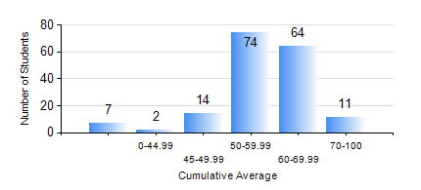
 |  |  | KWAME NKRUMAH UNIVERSITY OF SCIENCE AND TECHNOLOGY, KUMASI Department of Agricultural and Biosystems Engineering

 |  |  | BSC. AGRICULTURAL ENG.

 |  |  | COMPREHENSIVE RECORD OF EXAMINATION RESULTS

 |  |  | RESULTS OF YEAR 1 FIRST SEMESTER, 2020/2021 ACADEMIC YEAR

 | Sn | Course Code |  | Course Name | Credit Hours | Min. Mark | Max. Mark | Avg. Mark | Std. Dev. | No. Passed | No. Trailed | No. (Df) | No. (I) | No. (I*) | No. Tagged(I,I*,Df) | Total
 | 0. |  |  |  |  |  |  | 0 | 0 | 0 | 0 | 0 | 0 | 0 | 0 | 7
 | 1. | AE 153 |  | AGRIC. METEOROLOGY AND CLIMATOLOGY | 2 | 40 | 83 | 59 | 10.02 | 165 | 0 | 0 | 0 | 0 | 0 | 165
 | 2. | CE 155 |  | ENVIRONMENTAL STUDIES | 2 | 43 | 79 | 61 | 8.38 | 165 | 0 | 0 | 0 | 0 | 0 | 165
 | 3. | EE 151 |  | APPLIED ELECTRICITY | 3 | 22 | 85 | 52 | 12.1 | 163 | 2 | 0 | 0 | 0 | 0 | 165
 | 4. | ENGL 157 |  | COMMUNICATION SKILLS I | 2 | 44 | 84 | 65 | 8.23 | 165 | 0 | 0 | 0 | 0 | 0 | 165
 | 5. | MATH 151 |  | ALGEBRA | 4 | 11 | 77 | 58 | 9.46 | 163 | 2 | 0 | 0 | 0 | 0 | 165
 | 6. | ME 159 |  | TECHNICAL DRAWING | 2 | 14 | 85 | 58 | 10.68 | 161 | 4 | 0 | 0 | 0 | 0 | 165
 | 7. | ME 195 |  | ENGINEERING TECHNOLOGY I | 2 | 49 | 78 | 64 | 5.53 | 165 | 0 | 0 | 0 | 0 | 0 | 165

